DATA
 | Denmark | Poland | USA | Canada | Germany
Labour Conditions in the Food System:
1. Average salary of workers in the food industry sector, $/month | 2850-6124 $ | 1170-2404 $ | 2880 - 5833 $ | $4,712.50 | €56,040.00
2. Number of working hours and vacation days. | 37 hours per week and 5 weeks paid vacation | 40 hours per week and 20-26 days paid vacation | At least 40 hours a week, 11 paid holidays | Typically, 40-hours a week, and entitled to 2 weeks of paid vacation after 1 year of employment. | 37.5 Hours per week
3. Workplace safety and health indices. | Cooperation on workplace health and safety varies based on enterprise size: for 1-9 employees, it involves direct contact; for 10-34, a specialized organization handles daily and overall tasks; and for 35+, it operates on two levels, managing daily tasks and addressing broader issues. |  | The Occupational Safety and Health Administration (OSHA) enforces safety regulations. The injury rate for food manufacturing was 4.0 cases per 100 full-time workers.

Accessibility of Investments for Startups and Nonprofits:

1. Amount of investment and grants allocated to food waste reduction initiatives. |  | The total budget for 14 strategic measures under program aimed at minimizing waste, including food waste is approximately 23.52 million USD | $1.9 billion | $20-million
2. Number of startups and nonprofits receiving funding. |  | food producers and distributors (e.g. 11 nationwide commercial chains with 2142 shops), nationwide in-kind food collections (with the participation of up to 50,000 volunteers per year) and more than 200 restaurants | 5
3. Investment activity within the food industry sector. |  | A group of 31 food banks collected food donations worth $6.48 million in 2022 for 51% more than in 2022 | Food, beverage manufacturers hit “reset” on alt protein, invest $9.5bn in ESG projects in 2022

# Food Assistance Infrastructure and Processes:

1. Number and geographical distribution of food assistance organizations. |  | A group of 31 food banks, located all over Poland, | The USA has thousands of food assistance organizations, including over 200 food banks affiliated with the Feeding America network. Local community-based organizations, charities, and government programs also contribute to the distribution of food aid. The distribution is not uniform, with higher concentrations in urban and densely populated areas. |  |  |  |  | 63000
2. Level of accessibility and efficiency of food distribution. |  | collected 337826122 kg food donations in 2022 | Accessibility varies, with urban areas generally having better access to food assistance. The efficiency of distribution has been a focus of improvement efforts. Food banks often collaborate with local community organizations to enhance distribution networks. The efficiency can be affected by factors such as funding, transportation infrastructure, and the ability to handle perishable goods.
3. Logistics and infrastructure costs associated with food assistance. |  | 7.61% of expenses from income from statutory activities | Over $2.1 billion

Consumer Education Strategies:

1. Number of educational programs and campaigns on food waste reduction. |  | The topic of wasting food is a mandatory part of the curriculum in kindergartens and schools in Poland. In addition, various educational programs and competitions are held annually (e.g. food bank organized a training program in 755 schools(-58681 students) . | Is not possible to provide a specific metrics. The topic of wasting food is not mandated as a specific and universal part of the curriculum in kindergartens and schools in the United States. However, many schools and educational institutions may include aspects of environmental education, sustainability, and responsible consumption in their curricula. These topics could indirectly address the issue of food waste.
2. Consumer awareness level regarding food management and waste reduction. |  | Surveys conducted so far show that Poles are, as a rule, positively attitude towards the environment and its protection - as many as 91% believe that nature protection should be a priority action of man towards the environment, and 84% believe that man has an impact on the state of the environment through his actions, in more than half of Polish households waste is segregated on a regular basis (53%), while nearly half of the respondents declare that they carry out actions aimed at reducing the amount of waste produced (48%). | Is not possible to provide a specific metrics. The topic of wasting food is not mandated as a specific and universal part of the curriculum in kindergartens and schools in the United States. However, many schools and educational institutions may include aspects of environmental education, sustainability, and responsible consumption in their curricula. These topics could indirectly address the issue of food waste.
3. Effectiveness of consumer education programs and their impact on consumer behavior. |  | Environmental awareness studies show that Poles are aware of the dangers of excessive use of resources, but do not know practical ways to prevent this problem | Is not possible to provide a specific metrics. The topic of wasting food is not mandated as a specific and universal part of the curriculum in kindergartens and schools in the United States. However, many schools and educational institutions may include aspects of environmental education, sustainability, and responsible consumption in their curricula. These topics could indirectly address the issue of food waste.

Infrastructure for Food Waste Disposal:

1. Quantity and effectiveness of composting and anaerobic digestion facilities. |  | 125 agricultural biogas producers, operating 150 installations with a total installed capacity of 144.8 MW . Out of 265 active landfills 249 were equipped with degassing installations. In 2021, there were 9 municipal waste fermentation installations with a total capacity of 189,000 Mg/year, whereof 8 installations processed biodegradable waste separated from the stream of mixed municipal waste and 1 installation processed biowaste collected selectively. The installed electrical capacity of these installations is 6.22 MW. | 275 operational anaerobic digestion facilities accepting food waste surveyed in 2021. Processing capacity for food waste in all three digester types combined in 2019 was over 42.7 million tons. Total amount of food waste processed in all three digester types in 2019 was over 17.5 million tons.
2. Accessibility and cost of waste disposal services for different population groups. |  | 1.The average fee for municipal waste disposal amounted to USD 4.97 per inhabitant. 2. For companies: for a 1.0 m3 container - USD 13.13 for a 1.1 m3 container - USD 14.44 for a 2.5 m3 container - USD 32.8; for a 3 m3 container - USD 39.38 3. For households : with an area of up to 45 m2 - USD 7.94 , from 45 to 60 m2 - USD 14.13, from 60 to 80 m2 - USD 16.68, above 80 m2 - USD 21.09. | Stand-alone digesters - 32%, on-farm co-digesters - 23%, co-digestion systems at WRRFs - 46%. 30 states have at least one operating digester accepting food waste. California has the greatest number of operating digesters (20), followed by Pennsylvania (8), Massachusetts (7), New York (7), and Wisconsin (6).
3. Environmental consequences of various food waste disposal methods. |  |  | Biogas production by all three digester types in 2019: 29,877 standard cubic feet per minute (SCFM), equivalent to 93 megawatts (MW) or 693 million kilowatt-hours (kWh) of electricity. The top three solid digestate uses by digester type in 2021: land applied with no dewatering/drying, composted into a reusable/salable product, and de-watered/dried and land applied. The top uses of liquid digestate by digester type in 2021: reused as fertilizer via land application, and discharge to a wastewater treatment plant.

Total food waste | 814000 tons | 4.8 mln tons | More than 80 million Tons per year |  | 11 Mil. Tons
incl households | 250000 tons | 2.88 mln tons |  |  | 8,827 Tons
How much people have trouble with food |  | 1.6 million people | 44.5 million people per year
How much food in average eat each person per year |  |  | About 1 ton

Hunger: The food lost or wasted globally could be used to feed 2 billion people.

Climate change: The global carbon footprint of food waste is estimated at 3.3 billion tons of CO2 equivalent of GHG annually. In Denmark, the annual carbon footprint of food waste is estimated 2,3 million tons of CO2.

Economic value: Around the world, food worth $940b is lost or wasted every year.

Table 1: Municipal waste generated, in selected years, 1995-2022
(kg per capita)

 | 1995 | 2000 | 2005 | 2010 | 2015 | 2020 | 2022 | Change 2022/1995 (%)
Denmark | 521 | 664 | 736 | 758 | 822 | 814 | 787 | 51,1
Germany | 623 | 642 | 565 | 602 | 632 | 641 | 593 | -4,8
Poland | 285 | 320 | 319 | 316 | 286 | 346 | 364 | 28,1

Source: Eurostat (online data code: env_wasmun)

Table 1: Food waste by sector of activities, 2021
(tonnes of fresh mass)
 | Total food waste | Primary production | Processing and manufacturing | Retail and other distribution of food | Restaurants and food services | Households
Denmark | 1 344 550 | 57 985 | 607 693 | 99 791 | 72 081 | 507 000
Germany (¹) | 10 922 321 | 190 203 | 1 612 505 | 762 352 | 1 860 980 | 6 496 282
Poland | 4 281 212 | 639 352 | 809 287 | 345 514 | 186 433 | 2 300 626
Source: Eurostat (online data code: env_wasfw)

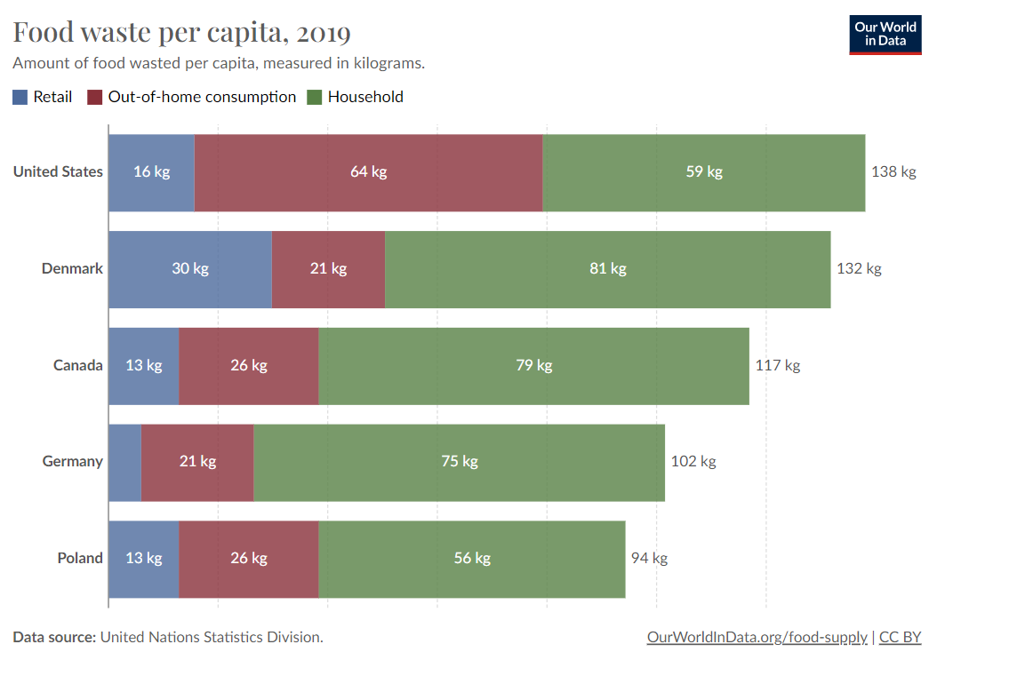
 | Total food waste | Primary production, processing and manufacturing | Households | Retail and other distribution of food, restaurants and food services
EU (¹) | 131 | 39 | 70 | 22
Denmark | 230 | 114 | 87 | 29
Germany (³) | 131 | 22 | 78 | 32
Poland (⁵) | 113 | 38 | 61 | 14
 | (³) 2021 data not reported, 2020 data presented.
 | (⁴) Definition differs or estimates in some figures.
 | (⁵) Estimates in some figures.
 | Source: Eurostat (online data code: env_wasfw)

Country or region | Retail, kg 2019 | Out-of-home consumption, kg 2019 | Household , kg 2019
Canada | 12,81 | 25,57 | 78,54
Denmark | 29,80 | 20,64 | 81,33
Germany | 5,97 | 20,58 | 75,00
Poland | 12,81 | 25,57 | 55,94
United States | 15,65 | 63,62 | 58.83

Data source: United Nations Statistics Division. – Learn more about this data
OurWorldInData.org/food-supply | CC BY

